Sheet1
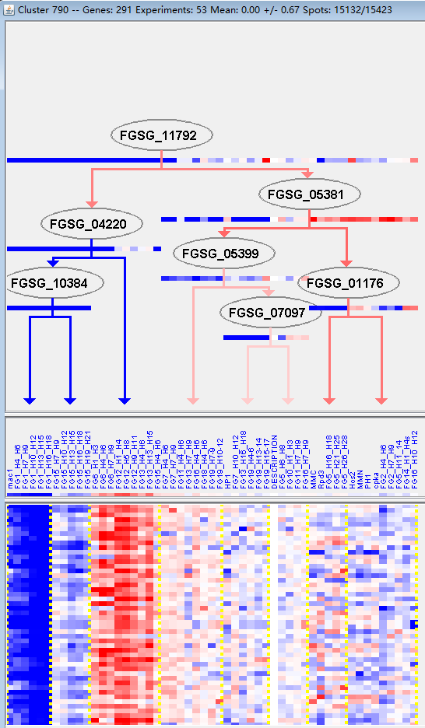
k | Filter | FUNCTIONAL CATEGORY | abs SET | rel SET | genes SET | abs GENOME | rel GENOME | rel SET/rel GENOME | P-VALUE | Bonferroni_corr | FDR
01.02.03 sulfur metabolism | 2 | 0.83 | FGSG_08053 FGSG_08040 | 18 | 0.13 | 6.3846153846 | 0.038245361112
99 UNCLASSIFIED PROTEINS | 185 | 77 | FGSG_11646 FGSG_11647 FGSG_00030 FGSG_00056 FGSG_11664 FGSG_11672 FGSG_00094 FGSG_00099 FGSG_00181 FGSG_11704 FGSG_11717 FGSG_11739 FGSG_00326 FGSG_11752 FGSG_11774 FGSG_11780 FGSG_11789 FGSG_11830 FGSG_00919 FGSG_11859 FGSG_11867 FGSG_01089 FGSG_11907 FGSG_01253 FGSG_11917 FGSG_11923 FGSG_01396 FGSG_11948 FGSG_11954 FGSG_01512 FGSG_11965 FGSG_01608 FGSG_01651 FGSG_01719 FGSG_01723 FGSG_01729 FGSG_01773 FGSG_01797 FGSG_12023 FGSG_01913 FGSG_12054 FGSG_02021 FGSG_12065 FGSG_02214 FGSG_12107 FGSG_02313 FGSG_12146 FGSG_02626 FGSG_02759 FGSG_14013 FGSG_11544 FGSG_12201 FGSG_04675 FGSG_04652 FGSG_04642 FGSG_04613 FGSG_04502 FGSG_04498 FGSG_12249 FGSG_12278 FGSG_12290 FGSG_04144 FGSG_04080 FGSG_12316 FGSG_12337 FGSG_03849 FGSG_03794 FGSG_03793 FGSG_03491 FGSG_12432 FGSG_03437 FGSG_12455 FGSG_03203 FGSG_12504 FGSG_03060 FGSG_03022 FGSG_02932 FGSG_12583 FGSG_04765 FGSG_04816 FGSG_12628 FGSG_12629 FGSG_12630 FGSG_12632 FGSG_04840 FGSG_12635 FGSG_12644 FGSG_12646 FGSG_05005 FGSG_05103 FGSG_12696 FGSG_05237 FGSG_12739 FGSG_12743 FGSG_05476 FGSG_05583 FGSG_12765 FGSG_12801 FGSG_05788 FGSG_12823 FGSG_05876 FGSG_05881 FGSG_05934 FGSG_06132 FGSG_06134 FGSG_06187 FGSG_06584 FGSG_12949 FGSG_12971 FGSG_06734 FGSG_12986 FGSG_12987 FGSG_12990 FGSG_06797 FGSG_13003 FGSG_13016 FGSG_13021 FGSG_06983 FGSG_13061 FGSG_07366 FGSG_07448 FGSG_07534 FGSG_07644 FGSG_13203 FGSG_07730 FGSG_07769 FGSG_07789 FGSG_13226 FGSG_07844 FGSG_13244 FGSG_13288 FGSG_13290 FGSG_08804 FGSG_08793 FGSG_13340 FGSG_13368 FGSG_08374 FGSG_08344 FGSG_08304 FGSG_08294 FGSG_13405 FGSG_13415 FGSG_08181 FGSG_08176 FGSG_08175 FGSG_08136 FGSG_07976 FGSG_13506 FGSG_09068 FGSG_09176 FGSG_09247 FGSG_13542 FGSG_13563 FGSG_09523 FGSG_09675 FGSG_09698 FGSG_09948 FGSG_13686 FGSG_10056 FGSG_10263 FGSG_10287 FGSG_10294 FGSG_10399 FGSG_13769 FGSG_13770 FGSG_10501 FGSG_10508 FGSG_13780 FGSG_13806 FGSG_11180 FGSG_11178 FGSG_11121 FGSG_13859 FGSG_10953 FGSG_13899 FGSG_10806 FGSG_13932 FGSG_13936 FGSG_11471 FGSG_11435 FGSG_11401 FGSG_1135 | 7238 | 52.3 | 1.4722753346 | 1.34E-15

01.02.03硫代谢
99未分类的蛋白质

